Parameter_OPT1
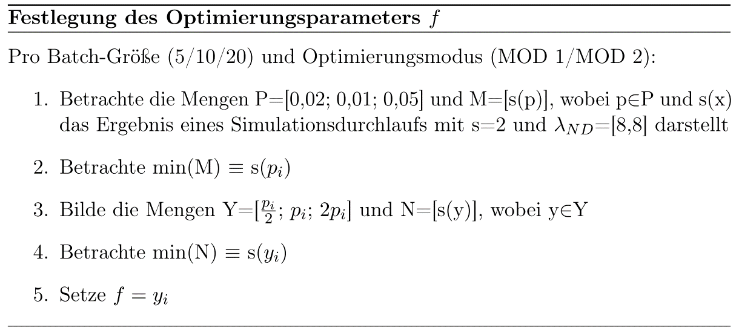
optimization_factor | Median | Waited for Batch | Batch Size | Max Lambda | Min Lambda | opt mode
0.05 | 0.1738365 | 10 | 240 | 27266.172652 | 8 | 1
0.05 | 0.18327 | 10 | 319 | 2121.6277024 | 8 | 1
0.05 | 0.181974 | 10 | 327 | 3628.7033626 | 8 | 1
0.05 | 0.170551 | 10 | 304 | 3660.4046983 | 8 | 1
0.05 | 0.168699 | 10 | 329 | 1468.9640692 | 8 | 1
0,05 Mittelwert | 0.1756661
0.002 | 0.2253025 | 10 | 0 | 10.795635597 | 8 | 1
0.002 | 0.228203 | 10 | 0 | 11.035528928 | 8 | 1
0.002 | 0.224583 | 10 | 0 | 11.462513564 | 8 | 1
0.002 | 0.2355855 | 10 | 0 | 11.057599985 | 8 | 1
0.002 | 0.2293375 | 10 | 0 | 10.991518886 | 8 | 1
0,002 Mittelwert | 0.2286023
0.01 | 0.1821775 | 10 | 0 | 108.46507429 | 8 | 1
0.01 | 0.177096 | 10 | 0 | 98.192016794 | 8 | 1
0.01 | 0.178166 | 10 | 0 | 100.15565976 | 8 | 1
0.01 | 0.1757295 | 10 | 0 | 107.39116266 | 8 | 1
0.01 | 0.1703605 | 10 | 0 | 112.86919125 | 8 | 1
0,01 Mittelwert | 0.1767059
0.025 | 0.174138 | 10 | 229 | 925.8674359 | 8 | 1
0.025 | 0.165784 | 10 | 64 | 28940.640503 | 8 | 1
0.025 | 0.165829 | 10 | 71 | 17011.474527 | 8 | 1
0.025 | 0.168147 | 10 | 153 | 2689.7258612 | 8 | 1
0.025 | 0.1673205 | 10 | 126 | 6999.8535187 | 8 | 1
0,025 Mittelwert | 0.1682437
0.1 | 0.18528 | 10 | 299 | 1059278.8064 | 8 | 1
0.1 | 0.1759165 | 10 | 321 | 2254347.1871 | 8 | 1
0.1 | 0.1831075 | 10 | 375 | 43687.642412 | 8 | 1
0.1 | 0.175633 | 10 | 327 | 259119.28095 | 8 | 1
0.1 | 0.1741585 | 10 | 339 | 66207.581138 | 8 | 1
0,1 Mittelwert | 0.1788191
Gesamtmittelwert | 0.18560742

Vergleich
Batch-Größe 10
 | MOD 0 | MOD 1 | MOD 2 | MOD 3
[8, 8] | 0.1628 | 0.1682 | 0.1416 | 0.3701
[8, 9] | 0.2259 | 0.1718 | 0.1570 | 0.3701
[8, 16] | 0.1902 | 0.1568 | 0.1307 | 0.3296
[8, 8, 8, 8, 8] | 0.1628 | 0.1704 | 0.1416 | 0.2079
[8, 9, 10, 11, 12] | 0.1420 | 0.1645 | 0.1379 | 0.1985
[1, 2, 4, 8, 16] | 0.2429 | 0.1661 | 0.1572 | 0.3711

